3 a) b) c)
Stocks | Mean Excess Returns | Beta Estimate | Standard Error Estimate | Mean Excess Return For Market Index
AKBNK | 2.81% | 1.1682237436 | 0.072400571932 | 0.0285
ALARK | 6.39% | 1.1208508325 | 0.10923976572
ARCLK | 3.12% | 0.91960183379 | 0.088129167698
ASELS | 2.80% | 0.96130659483 | 0.089537702075
BIMAS | 2.60% | 0.55340123093 | 0.073055060475
EKGYO | 2.49% | 1.2137014201 | 0.10387430873
ENKAI | 3.28% | 0.70619055423 | 0.097168269998
EREGL | 3.07% | 0.78790034828 | 0.10160773037
FROTO | 4.46% | 0.77455192471 | 0.099947784207
GARAN | 3.17% | 1.1510216139 | 0.095706491063 |  | 3 c) Scatter Plot
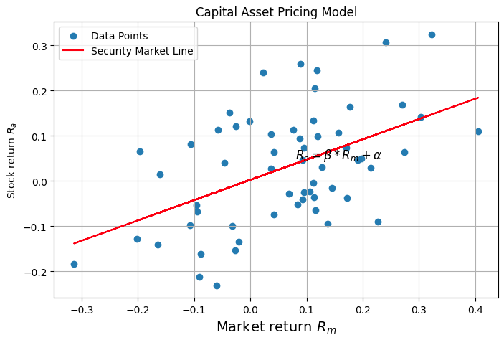
GUBRF | 7.68% | 1.108747695 | 0.19375430637
HEKTS | 7.05% | 1.0085582637 | 0.14712973729
ISCTR | 3.96% | 1.1298343375 | 0.095615378769
KCHOL | 3.37% | 1.1125014485 | 0.050180985652
KONTR | 14.10% | 1.2937107487 | 0.30993132764
KOZAL | 3.56% | 1.083268476 | 0.14272674391
KRDMD | 4.16% | 1.1433609038 | 0.11692014507
ODAS | 4.54% | 1.466001536 | 0.1439567936
OYAKC | 5.60% | 0.90057221965 | 0.21575730407
PETKM | 2.36% | 1.1306122905 | 0.085954050542
PGSUS | 5.98% | 1.1982669287 | 0.15150047052
SAHOL | 3.18% | 1.1257541495 | 0.048479091575
SASA | 6.18% | 0.71913140838 | 0.16141661475
SISE | 3.08% | 1.0544381811 | 0.074234255618
TCELL | 2.12% | 0.9633859553 | 0.070771368562
THYAO | 4.21% | 1.2523200424 | 0.099643374634
TOASO | 4.99% | 1.0299217315 | 0.10926520753
TUPRS | 3.54% | 1.0561456156 | 0.092402828711
YKBNK | 4.04% | 1.1783506078 | 0.084159470988

 |  |  |  |  | Beta from formula: 0.448485291995046
 |  |  |  |  | Beta from regression: 0.448485310191537
 |  |  |  |  | Expected Return (Intercept): 0.34946382166312645

